Data Anomolies
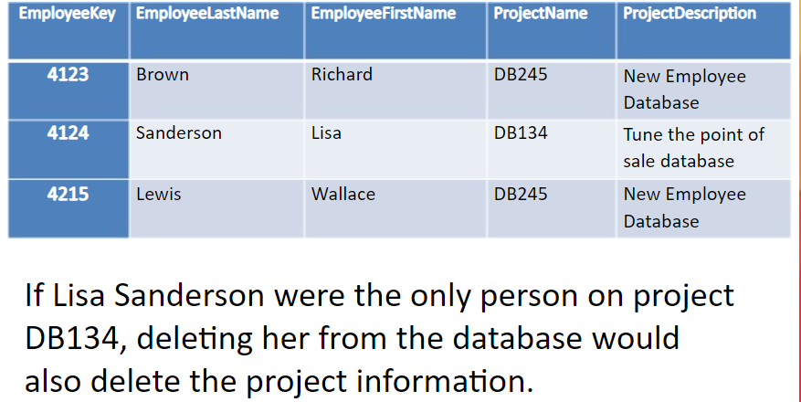
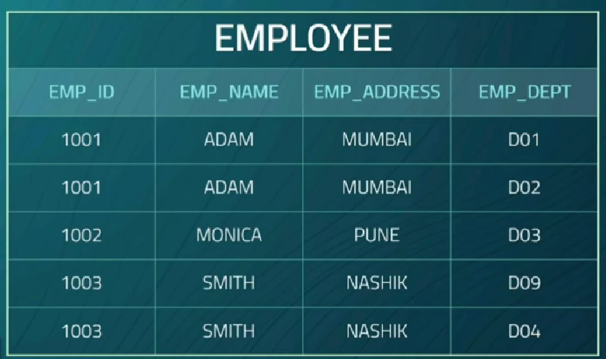
Insert and Update Anomoly | Deletion Anomoly

Database hierarchy
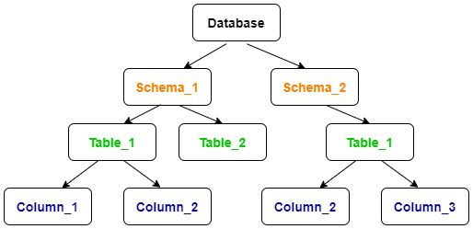
Server
 | Database1
 | Database2 | Schema1
 |  | Schema2 | Table1
 |  |  | Table2

